Guidance Notes
Restructure Workings Template and Guidance Notes

Please note that all tabs highlighted in yellow are to provide examples of how this template should be used, the remaining tabs are for you to use to complete your own restructure workings

RUNNING THE STAFF MONTHLY PROFILE REPORT

Go to Education Access Budgets

Click on Reports- Reporting Module

When Reports open, there are two tabs on the far right hand side, click on Pupil/Staff Reports

Then Select Staff Monthly Profile report

Chose the year- start with the latest year 2026/27
For Report Type- Select Detailed Report
For Filter By Section- ensure ALL SECTIONS is selected
For Sort By- ensure Section Code is selected
Then Click Export

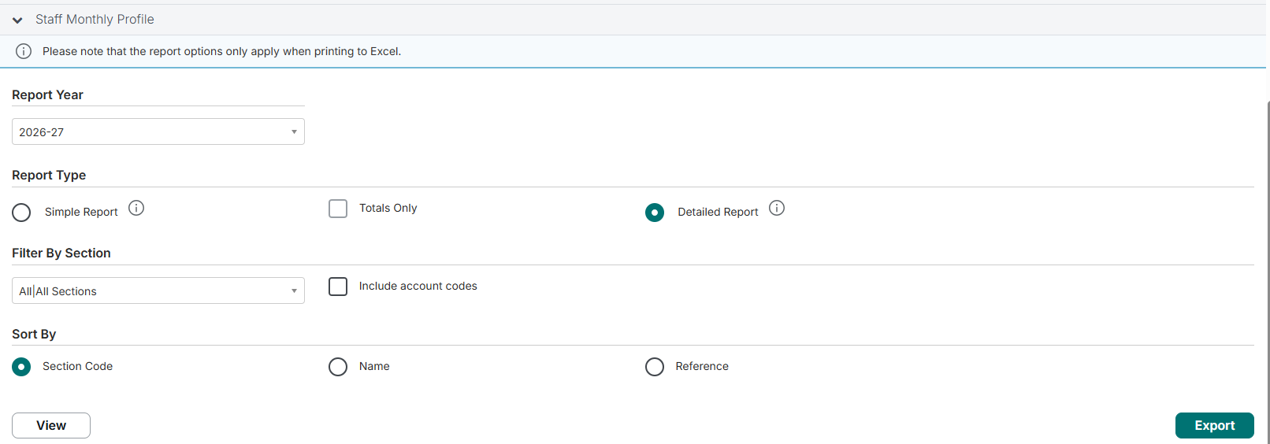

Then run the same report using the exact same parameters as above for each of the next four years, so 2027/28, 2028/29, 2029/30 and 2030/31

You should now have five exported reports, ensure you save them

BASE FILE (CONSOLIDATED ANNUAL STAFFING BUDGETS BY POST FOR EACH OF THE NEXT 5 YEARS)

For this analysis only one tab from each of the yearly exported reports is required and that is the final month of each file, which is March 2027, March 2028, March 2029, March 2030 and March 2031
You will see as part of this working paper that each March tab has been copied into the Template and you should do the same

You now need to build up a base file, so you can always refer back to this should something go amiss when doing calculations later on

Please refer to tab named 'Example-Base File' for an example of what this should look like

Using the March 2027 tab/report, copy columns A through to D into your own base file, this will ensure you have the Name, Reference, Contract Ref and Job Title for each post/staff member

Then scroll far right on the March 2027 tab and the only column that should now be copied (paste special- values and formats only) into the base file is column AD, which is the TOTAL ANNUAL BUDGET for each post

Then go to each subsequent March (e.g. 2028, 2029, 2030, 2031) tab, and copy and paste special only column AD from each report into the base file

Please see the highlighted in yellow 'Example-Base File' tab, your base file should now look the same, so you have Name, Reference, Contract Ref, Job Title, and have 5 columns of data which is the total annual budget for each post starting with the total budget for March 2027, then March 2028 and so on

CONTROL CHECK (BASE FILE BUDGETS MATCH CFR REPORT)
Run a CFR report from Access Budgets at this point, the staffing budgets showing on your base file for each year should reconcile to the staffing budgets on the CFR report, if they do not, then you may have copied the data over incorrectly, or the wrong column from monthly profile reports has been copied across. If they don't reconcile you will need to investigate why not, or start again (ensure you only copy the values over from the March reports, as these reports have formulas which you no longer need)

RESTRUCTURE WORKINGS

Please now refer to the Example- Workings tab (highlighted in yellow) in this template, as this will show you how to build up your working paper

A tab Workings has been created with all the correct headings and totals included, so you could copy your base file into the relevant columns, but you may need to add more rows, and you will need to include your own calculations/formulas, but the example file will help you (as each school will have its own individual circumstances we could not provide an exact workings template for you, but the Example- Workings does show a number of different scenarios and formulas which should aid you)

Your working file should also have a comments column each year, so all can easily see and understand what is changing for each post, this will also help you should you need to amend any proposed changes after consultation for example

The Restructure Workings will provide a clear way to present to Headteachers and Governing Bodies what the proposed changes are, how they are spread across different staffing groups, the profiling of savings and the annual and cumulative savings from the proposed restructure

REDUNDANCY COST ESTIMATES AND PENSION STRAIN COSTS

An estimate of redundancy costs will need to be calculated, and there is a redundancy calculator available from Schools HR to help with this.
The Redundancy Panel will determine if redundancy costs incurred by schools will be met by the Local Authority.
Pension strain costs will need to be factored into the recovery plan (it is likley the LA will allow this to be spread over more than one year but no more than three years), again this will be discussed at the Redundancy Panel.
Please note that PILON costs will not be met by the Local Authority.
All documents pertaining to the Redundancy Panel are available on the Schools Hub

INCLUDE RESTRUCTURE WORKINGS INTO RECOVERY PLAN

Now that you have the restructure workings and the in-year and cumulative savings that the restructure will deliver these savings should now be included in the recovery plan (the revised 5 year budget plan)
Copy the original CFR report onto a new tab and name this CFR Recovery Plan and now amend the staffing budgets to match the revised budgets that have been calculated on the Workings file for each year, this will allow everyone to be able to easily see the impact of the restructure savings on the in-year, future years and cumulative reserve position.
Once you are satsfied that the updated CFR captures all the amendments correctly this can now be used for presentation to the Governing Body for approval and then for onward submission to the Local Authority. You could now also create a new Budget Scenario in Access Budgets which captures the staffing savings once agreed, and then that can be used formally as the new five-year budget- Recovery Plan.

RESTRUCTURE BUSINESS CASE- SUMMARY TABLES SHOWING FTE AND FINANCIAL DIFFERENCE BETWEEN CURRENT AND PROPOSED STRUCTURES

Once the details of the proposed restructure are agreed by the school, these will need to be explained in a Restructure Business Case to the Local Authority and will eventually be used for the staff consultation

In the tab 'Example-Restructure BC' a number of summary tables have been provided which are all linked to the Example-Workings tab, so if any changes are made to the workings these will feed through to the Business Case summary tables

A tab Restructure BC has been provided for you, and this is linked to your workings tab- if you have used the workings tab in the correct way then the summary tables should have populated automatically, there is a control total at the end to help check if that is the case, if there is a discrepancy it is probably because more rows were added or deleted from the workings tab, if that is the case you'll need to amend the links in the summary tables to the correct totals on your working tab (pls always refer to the example tabs, because these will help you understand the best way to present this information)

March 2028
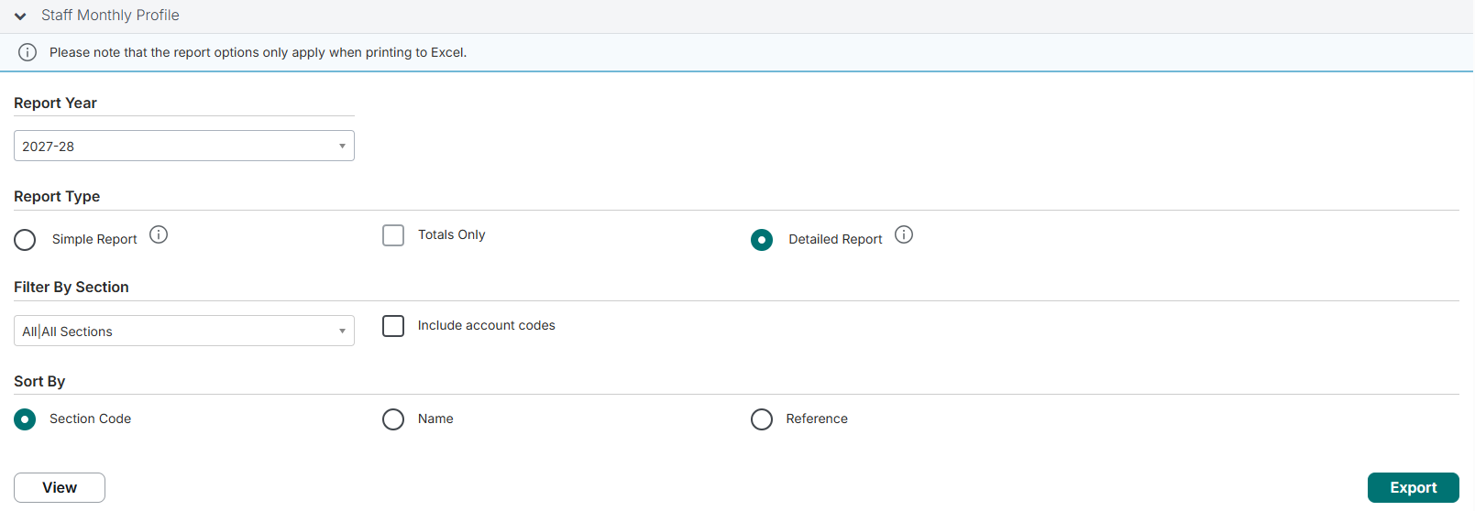
EXPORT THIS REPORT HERE- ENSURE YOU ONLY USE THE MARCH 2028 TAB FROM THE EXPORT

March 2029
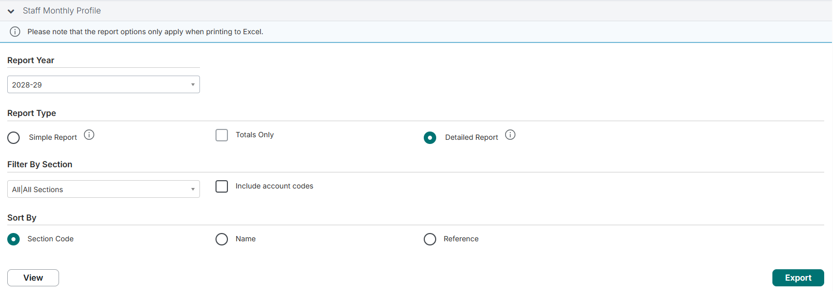
EXPORT THIS REPORT HERE- ENSURE YOU ONLY USE THE MARCH 2029 TAB FROM THE EXPORT

March 2030
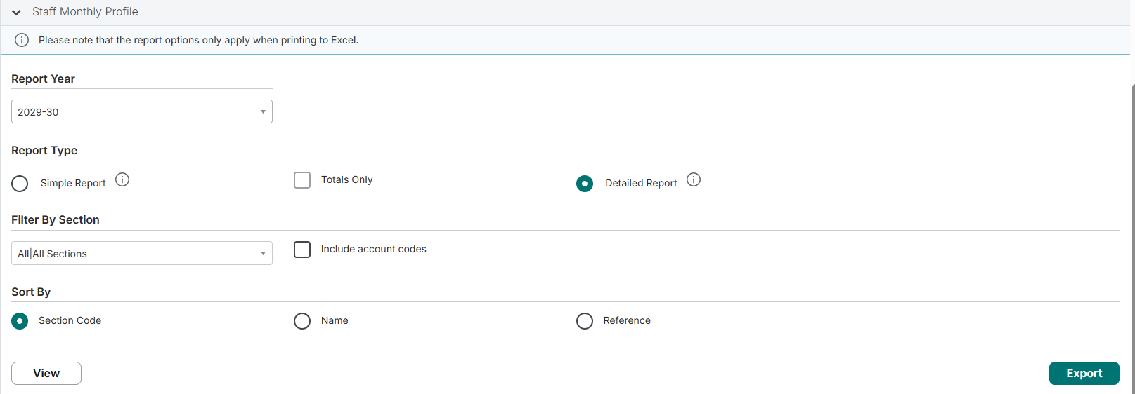
EXPORT THIS REPORT HERE- ENSURE YOU ONLY USE THE MARCH 2030 TAB FROM THE EXPORT

March 2031
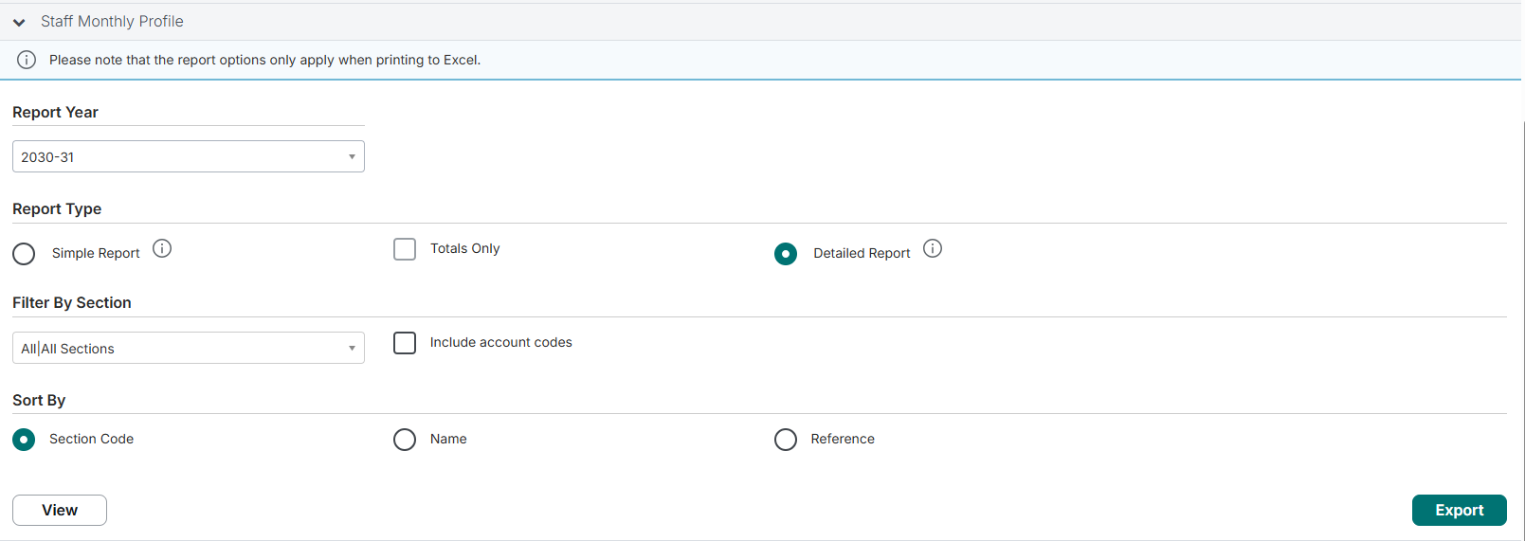
EXPORT THIS REPORT HERE- ENSURE YOU ONLY USE THE MARCH 2031 TAB FROM THE EXPORT

