Walk to School Week 2020
Walk to School Week 2020
Order sheet
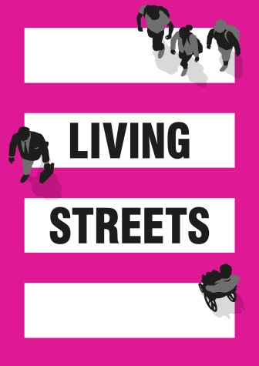

Local authority: | ENTER LOCAL AUTHORITY NAME HERE
Originator | School | Delivery contact name - FIRST | Delivery contact name - LAST | Telephone | Email address | Delivery address 1 | Delivery address 2 | Delivery address 3 | Delivery address 4 | Post code | Classroom Pack (KS1) | Classroom Pack (KS2) | Extra diaries (KS1) (If class is bigger than 30 children-packs of 10) | Extra diaries (KS2) (If class is bigger than 30 children-packs of 10) | Extra wallcharts (singles) (If class is bigger than 30 children) | Extra wallchart sticker sheet (If class is bigger than 30 children) | Extra wallchart pupil sticker sheet (If class is bigger than 30 children) | Extra Reward (KS1) (If class is bigger than 30 children) | WTSW Banner | WTSW Badges | WTSW Strider Badges | WTSW Strider Toy | Pedometer
Internal use |  |  |  |  |  |  |  |  |  |  | (£10 per pack) | (£10 per pack) | (£3 per pack) | (£3 per pack) | (£0.50 each) | (£0.75 each) | (£0.75 each) | (£2.00 per set of 30) | (£45 each) | (£2.00 per pack of ten) | (£2.00 per pack of ten) | (£10 each) | (£3 each)

 |  |  |  |  |  |  |  |  |  |  | 0 | 0 | 0 | 0 | 0 |  |  | 0 | 0 |  | 0 | 0 | 0
 |  |  |  |  |  |  |  |  |  |  | £0.00 | £0.00 | £0.00 | £0.00 | £0.00 |  |  | £0.00 | £0.00 |  | £0.00 | £0.00 | £0.00
 | TOTAL COST (excluding postage): | £0.00
 | Postage at £10 per delivery, unless bulk (counted automatically): | £0.00
 | GRAND TOTAL: | £0.00

 | Number of schools (counted automatically): | 0

